Sheet1
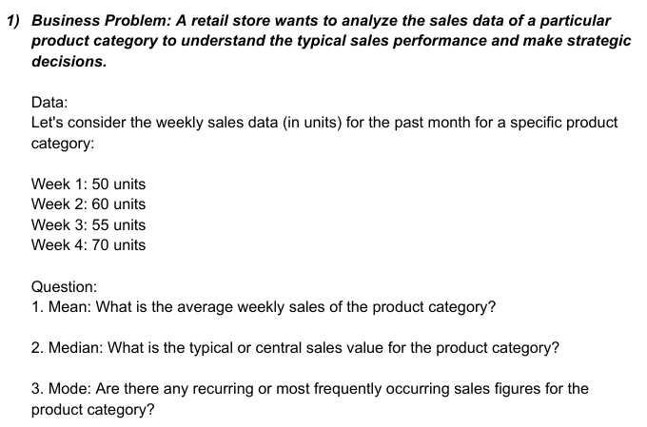

week | units
1 | 50
2 | 60
3 | 55
4 | 70 | 235

mean | 58.75

median | 115
 | 57.5

mode | no mode



data
15
10
20
25
15
10
30
20
15
10
10
25
15
20
20
15
10
10
20
25

mean | 340
 | 17

median | 15

mode | 10

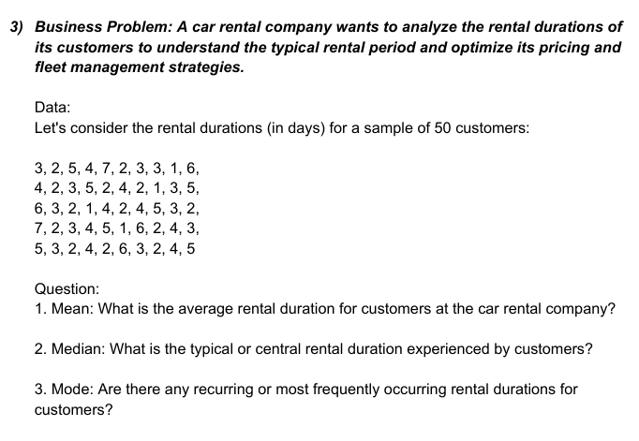

3 | 4 | 6 | 7 | 5
2 | 2 | 3 | 2 | 3
5 | 3 | 2 | 3 | 2
4 | 5 | 1 | 4 | 4
7 | 2 | 4 | 5 | 2
2 | 4 | 2 | 1 | 6
3 | 2 | 4 | 6 | 3
3 | 1 | 5 | 2 | 2
1 | 3 | 3 | 4 | 4
6 | 5 | 2 | 3 | 5

mean | 172
 | 3.44

median | 3

mode | 3



day | units |  | day |  | units
1 | 120
2 | 110 |  | Mean | 5.5 | Mean | 122
3 | 130 |  | Standard Error | 0.95742710776 | Standard Error | 3.5118845843
4 | 115 |  | Median | 5.5 | Median | 122.5
5 | 125 |  | Mode | #N/A | Mode | 115
6 | 105 |  | Standard Deviation | 3.0276503541 | Standard Deviation | 11.105554166
7 | 135 |  | Sample Variance | 9.1666666667 | Sample Variance | 123.33333333
8 | 115 |  | Kurtosis | -1.2 | Kurtosis | -0.79711468225
9 | 125 |  | Skewness | 0 | Skewness | 0.12776660198
10 | 140 |  | Range | 9 | Range | 35
 |  |  | Minimum | 1 | Minimum | 105
 |  |  | Maximum | 10 | Maximum | 140
 |  |  | Sum | 55 | Sum | 1220
 |  |  | Count | 10 | Count | 10
 |  |  | Confidence Level(10.0%) | 0.123750261 | Confidence Level(10.0%) | 0.4539213799

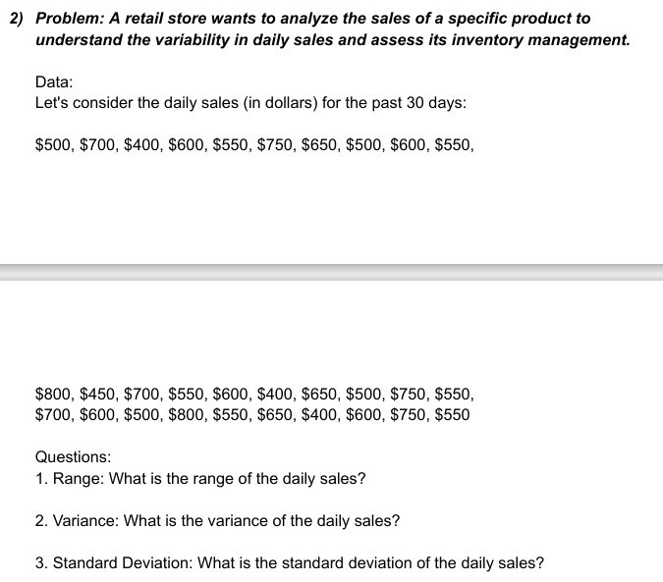

data |  | data
500
700 |  | Mean | 595
400 |  | Standard Error | 20.947388941
600 |  | Median | 600
550 |  | Mode | 550
750 |  | Standard Deviation | 114.73357444
650 |  | Sample Variance | 13163.793103
500 |  | Kurtosis | -0.69693490682
600 |  | Skewness | 0.0759548059
550 |  | Range | 400
800 |  | Minimum | 400
450 |  | Maximum | 800
700 |  | Sum | 17850
550 |  | Count | 30
600 |  | Confidence Level(10.0%) | 2.6554293927
400
650
500
750
550
700
600
500
800
550
650
400
600
750
550

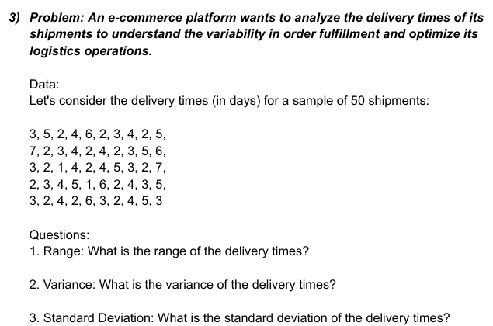

data |  | data
3
5 |  | Mean | 3.52
2 |  | Standard Error | 0.21616320365
4 |  | Median | 3
6 |  | Mode | 2
2 |  | Standard Deviation | 1.5285046714
3 |  | Sample Variance | 2.3363265306
4 |  | Kurtosis | -0.50951156518
2 |  | Skewness | 0.51422075032
5 |  | Range | 6
7 |  | Minimum | 1
2 |  | Maximum | 7
3 |  | Sum | 176
4 |  | Count | 50
2 |  | Confidence Level(10.0%) | 0.027304510864
4
2
3
5
6
3
2
1
4
2
4
5
3
2
7
2
3
4
5
1
6
2
4
3
5
3
2
4
2
6
3
2
4
5
3

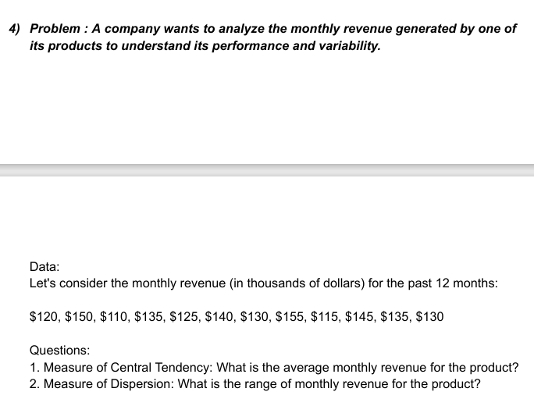

data
120 |  | data
150
110 |  | Mean | 132.5
135 |  | Standard Error | 3.9648073055
125 |  | Median | 132.5
140 |  | Mode | 135
130 |  | Standard Deviation | 13.734495391
155 |  | Sample Variance | 188.63636364
115 |  | Kurtosis | -0.68787922775
145 |  | Skewness | 2.422304781E-17
135 |  | Range | 45
130 |  | Minimum | 110
 |  | Maximum | 155
 |  | Sum | 1590
 |  | Count | 12
 |  | Confidence Level(10.0%) | 0.50985007787

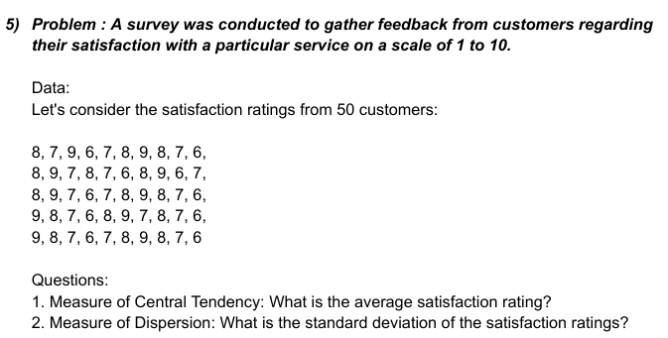

data
8
7 |  | data
9
6 |  | Mean | 7.5
7 |  | Standard Error | 0.14638501094
8 |  | Median | 7.5
9 |  | Mode | 8
8 |  | Standard Deviation | 1.035098339
7 |  | Sample Variance | 1.0714285714
6 |  | Kurtosis | -1.1205673759
8 |  | Skewness | 0
9 |  | Range | 3
7 |  | Minimum | 6
8 |  | Maximum | 9
7 |  | Sum | 375
6 |  | Count | 50
8 |  | Confidence Level(10.0%) | 0.018490525002
9
6
7
8
9
7
6
7
8
9
8
7
6
9
8
7
6
8
9
7
8
7
6
9
8
7
6
7
8
9
8
7
6

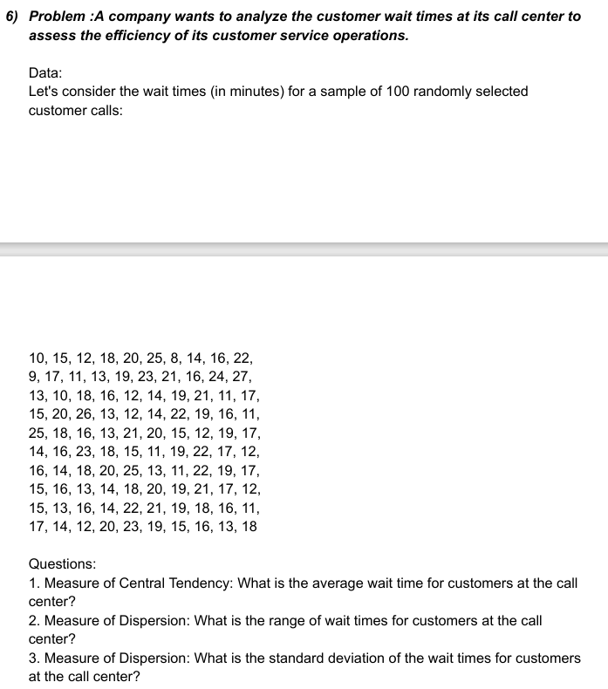

data
10 |  | data
15
12 |  | Mean | 16.814285714
18 |  | Standard Error | 0.53656867686
20 |  | Median | 17
25 |  | Mode | 16
8 |  | Standard Deviation | 4.4892556342
14 |  | Sample Variance | 20.153416149
16 |  | Kurtosis | -0.61273012285
22 |  | Skewness | 0.24441327655
9 |  | Range | 19
17 |  | Minimum | 8
11 |  | Maximum | 27
13 |  | Sum | 1177
19 |  | Count | 70
23 |  | Confidence Level(10.0%) | 0.067674569267
21
16
24
27
13
10
18
16
12
14
19
21
11
17
15
20
26
13
12
14
19
21
11
17
25
18
16
13
21
20
15
12
19
17
14
16
23
18
15
11
19
22
17
12
16
14
18
20
25
13
11
22
19
17

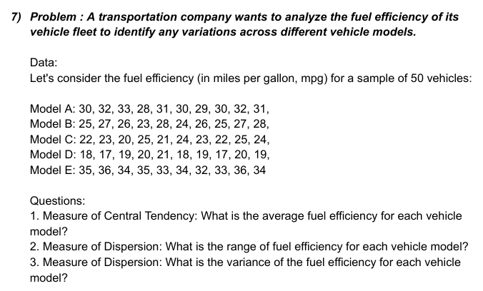

model a | model b | model c | model d | model e |  | model a |  | model b |  | model c |  | model d |  | model e
30 | 25 | 22 | 18 | 35
32 | 27 | 23 | 17 | 36 |  | Mean | 30.6 | Mean | 25.9 | Mean | 23.9 | Mean | 18.8 | Mean | 34.2
33 | 26 | 30 | 19 | 34 |  | Standard Error | 0.47609522857 | Standard Error | 0.52599112794 | Standard Error | 0.79512402946 | Standard Error | 0.41633319989 | Standard Error | 0.41633319989
28 | 23 | 25 | 20 | 35 |  | Median | 30.5 | Median | 26 | Median | 23.5 | Median | 19 | Median | 34
31 | 28 | 21 | 21 | 33 |  | Mode | 30 | Mode | 25 | Mode | 22 | Mode | 19 | Mode | 34
30 | 24 | 24 | 18 | 34 |  | Standard Deviation | 1.5055453054 | Standard Deviation | 1.6633299933 | Standard Deviation | 2.5144029554 | Standard Deviation | 1.3165611772 | Standard Deviation | 1.3165611772
29 | 26 | 23 | 19 | 32 |  | Sample Variance | 2.2666666667 | Sample Variance | 2.7666666667 | Sample Variance | 6.3222222222 | Sample Variance | 1.7333333333 | Sample Variance | 1.7333333333
30 | 25 | 22 | 17 | 33 |  | Kurtosis | -0.36517548196 | Kurtosis | -0.72102523692 | Kurtosis | 3.7727432979 | Kurtosis | -0.75126796281 | Kurtosis | -0.75126796281
32 | 27 | 25 | 20 | 36 |  | Skewness | -0.11721373485 | Skewness | -0.3476840166 | Skewness | 1.660730996 | Skewness | 0.087640906767 | Skewness | -0.087640906767
31 | 28 | 24 | 19 | 34 |  | Range | 5 | Range | 5 | Range | 9 | Range | 4 | Range | 4
 |  |  |  |  |  | Minimum | 28 | Minimum | 23 | Minimum | 21 | Minimum | 17 | Minimum | 32
 |  |  |  |  |  | Maximum | 33 | Maximum | 28 | Maximum | 30 | Maximum | 21 | Maximum | 36
 |  |  |  |  |  | Sum | 306 | Sum | 259 | Sum | 239 | Sum | 188 | Sum | 342
 |  |  |  |  |  | Count | 10 | Count | 10 | Count | 10 | Count | 10 | Count | 10
 |  |  |  |  |  | Confidence Level(10.0%) | 0.061536704276 | Confidence Level(10.0%) | 0.067985895571 | Confidence Level(10.0%) | 0.10277211223 | Confidence Level(10.0%) | 0.053812286838 | Confidence Level(10.0%) | 0.053812286838

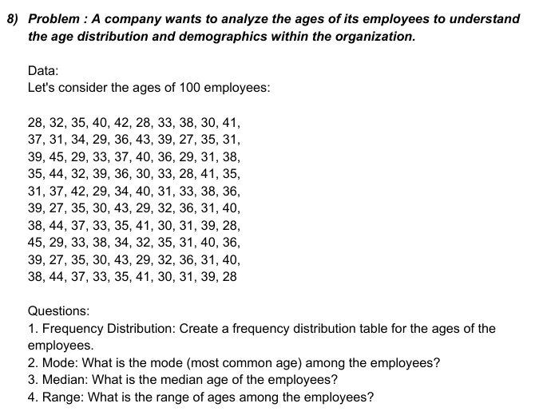

28 |  | Bin | Frequency |  | 28
32 |  | 27 | 2
35 |  | 29.25 | 8 |  | Mean | 35.130434783
40 |  | 31.5 | 10 |  | Standard Error | 0.55740884646
42 |  | 33.75 | 9 |  | Median | 35
28 |  | 36 | 15 |  | Mode | 31
33 |  | 38.25 | 8 |  | Standard Deviation | 4.6301856254
38 |  | 40.5 | 9 |  | Sample Variance | 21.438618926
30 |  | 42.75 | 4 |  | Kurtosis | -0.83129840843
41 |  | More | 5 |  | Skewness | 0.19718089375
37 |  |  |  |  | Range | 18
31 |  |  |  |  | Minimum | 27
34 |  |  |  |  | Maximum | 45
29 |  |  |  |  | Sum | 2424
36 |  |  |  |  | Count | 69
43 |  |  |  |  | Confidence Level(10.0%) | 0.070306835111
39
27
Histogram
35
31
39
45
29
33
37
40
36
29
31
38
35
44
32
39
36
30
33
28
41
35
31
37
42
29
34
40
31
33
38
36
39
27
35
30
43
29
32
36
31
40
38
44
37
33
34
32
35
31
40
36

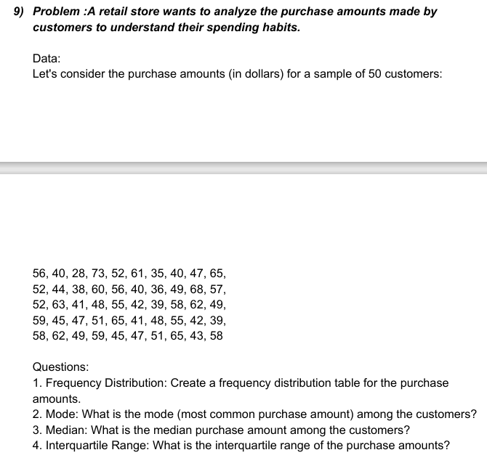

data
56 |  | Bin | Frequency |  | data
40 |  | 28 | 1
28 |  | 34.428571429 | 0 |  | Mean | 50.7
73 |  | 40.857142857 | 8 |  | Standard Error | 1.3959854978
52 |  | 47.285714286 | 11 |  | Median | 50
61 |  | 53.714285714 | 10 |  | Mode | 40
35 |  | 60.142857143 | 11 |  | Standard Deviation | 9.8711081197
40 |  | 66.571428571 | 7 |  | Sample Variance | 97.43877551
47 |  | More | 2 |  | Kurtosis | -0.58897234452
65 |  |  |  |  | Skewness | 0.056612504166
52 |  |  |  |  | Range | 45
44 |  |  |  |  | Minimum | 28
38 |  |  |  |  | Maximum | 73
60 |  |  |  |  | Sum | 2535
56 |  |  |  |  | Count | 50
40 |  |  |  |  | Confidence Level(10.0%) | 0.17633297688
36
Histogram
49
68
57
52
63
41
48
55
42
39
58
62
49
59
45
47
51
65
41
48
55
42
39
58
62
49
59
45
47
51
65
43
58

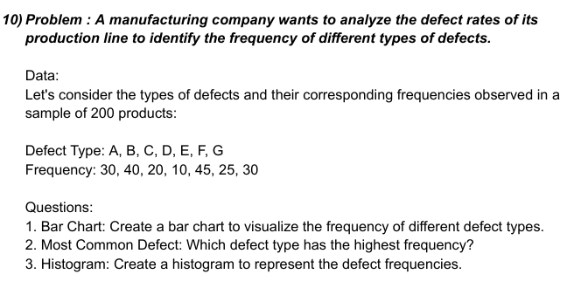

type | frequency
a | 30 |  | frequency
b | 40
c | 20 |  | Mean | 28.571428571
d | 10 |  | Standard Error | 4.460712856
e | 45 |  | Median | 30
f | 25 |  | Mode | 30
g | 30 |  | Standard Deviation | 11.801936887
 |  |  | Sample Variance | 139.28571429
1 |  |  | Kurtosis | -0.24207758054
2 |  |  | Skewness | -0.16294587418
3 |  |  | Range | 35
4 |  |  | Minimum | 10
6 |  |  | Maximum | 45
7 |  |  | Sum | 200
 |  |  | Count | 7
 |  |  | Confidence Level(10.0%) | 0.58469085096

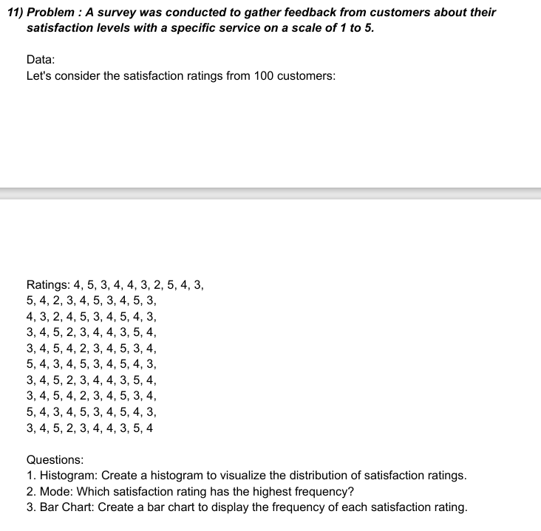

ratings
4
5
3
4
4
3
2
5
4
3
5
4
2
3
4
5
Histogram
 | Frequency | Cumulative %
 | 1 | 1
3
4
5
3
4
3
2
4
5
3
4
5
4
3
3
4
5
2
4
4
3
5
4
3
4
5
4
2
3
4
5
3
4
5
4
3
4
5
3
4
5
4
3
3
4
5
2
3
4
4
3
5
4
5
4
3
4
5
3
4
5
4
3
3
4
5
2
3
4
4
3
5
4

mode | 4

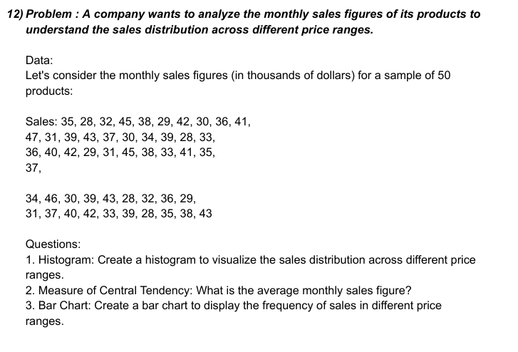

sales
35 |  | sales
28
32 |  | Mean | 36.14
45 |  | Standard Error | 0.76292134561
38 |  | Median | 36
29 |  | Mode | 28
42 |  | Standard Deviation | 5.3946685699
30 |  | Sample Variance | 29.10244898
36 |  | Kurtosis | -1.0037343655
41 |  | Skewness | 0.14243838458
47 |  | Range | 19
31 |  | Minimum | 28
39 |  | Maximum | 47
43 |  | Sum | 1807
37 |  | Count | 50
30 |  | Confidence Level(10.0%) | 0.096367900816
34
39
28
33
36
40
42
29
31
45
38
33
41
35
37
34
46
30
39
43
28
32
36
29
31
37
40
42
33
39
28
35
38
43

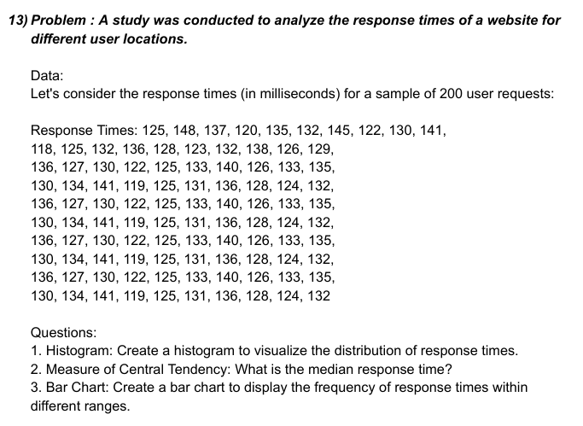

response time
125 | 118 | 136 | 130 | 136 | 130 | 136 | 130 | 136 | 130
148 | 125 | 127 | 134 | 127 | 134 | 127 | 134 | 127 | 134
137 | 132 | 130 | 141 | 130 | 141 | 130 | 141 | 130 | 141
120 | 136 | 122 | 119 | 122 | 119 | 122 | 119 | 122 | 119
135 | 128 | 125 | 125 | 125 | 125 | 125 | 125 | 125 | 125
132 | 123 | 133 | 131 | 133 | 131 | 133 | 131 | 133 | 131
145 | 132 | 140 | 136 | 140 | 136 | 140 | 136 | 140 | 136
122 | 138 | 126 | 128 | 126 | 128 | 126 | 128 | 126 | 128
130 | 126 | 133 | 124 | 133 | 124 | 133 | 124 | 133 | 124
141 | 129 | 135 | 132 | 135 | 132 | 135 | 132 | 135 | 132

 | 0
 | 125 | 118 | 136 | 130 | 136 | 130 | 136 | 130 | 136 | 130
 | 148 | 125 | 127 | 134 | 127 | 134 | 127 | 134 | 127 | 134
 | 137 | 132 | 130 | 141 | 130 | 141 | 130 | 141 | 130 | 141
 | 120 | 136 | 122 | 119 | 122 | 119 | 122 | 119 | 122 | 119
 | 135 | 128 | 125 | 125 | 125 | 125 | 125 | 125 | 125 | 125
 | 132 | 123 | 133 | 131 | 133 | 131 | 133 | 131 | 133 | 131
 | 145 | 132 | 140 | 136 | 140 | 136 | 140 | 136 | 140 | 136
 | 122 | 138 | 126 | 128 | 126 | 128 | 126 | 128 | 126 | 128
 | 130 | 126 | 133 | 124 | 133 | 124 | 133 | 124 | 133 | 124
 | 141 | 129 | 135 | 132 | 135 | 132 | 135 | 132 | 135 | 132

 |  | 125

 |  | Mean | 130.55555556
 |  | Standard Error | 0.63046779108
 |  | Median | 131
 |  | Mode | 130
 |  | Standard Deviation | 6.2730753162
 |  | Sample Variance | 39.351473923
 |  | Kurtosis | -0.28761805938
 |  | Skewness | 0.1670931928
 |  | Range | 30
 |  | Minimum | 118
 |  | Maximum | 148
 |  | Sum | 12925
 |  | Count | 99
 |  | Confidence Level(10.0%) | 0.079431005242

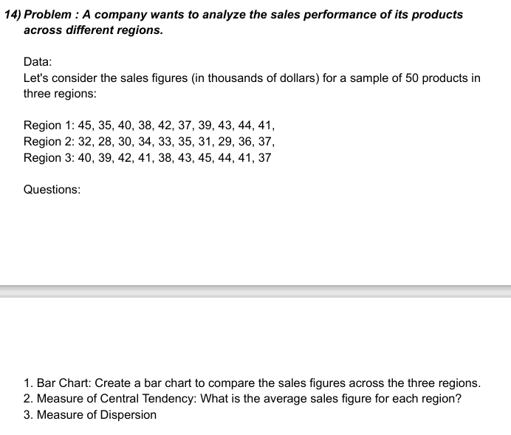

region1 | region2 | region3
45 | 32 | 40 |  | region1 |  | region2 |  | region3
35 | 28 | 39
40 | 30 | 42 |  | Mean | 40.4 | Mean | 32.5 | Mean | 41
38 | 34 | 41 |  | Standard Error | 1.0132456102 | Standard Error | 0.95742710776 | Standard Error | 0.81649658093
42 | 33 | 38 |  | Median | 40.5 | Median | 32.5 | Median | 41
37 | 35 | 43 |  | Mode | #N/A | Mode | #N/A | Mode | 41
39 | 31 | 45 |  | Standard Deviation | 3.2041639575 | Standard Deviation | 3.0276503541 | Standard Deviation | 2.5819888975
43 | 29 | 44 |  | Sample Variance | 10.266666667 | Sample Variance | 9.1666666667 | Sample Variance | 6.6666666667
44 | 36 | 41 |  | Kurtosis | -0.84183673469 | Kurtosis | -1.2 | Kurtosis | -0.8625
41 | 37 | 37 |  | Skewness | -0.20063178769 | Skewness | 0 | Skewness | 0
 |  |  |  | Range | 10 | Range | 9 | Range | 8
 |  |  |  | Minimum | 35 | Minimum | 28 | Minimum | 37
 |  |  |  | Maximum | 45 | Maximum | 37 | Maximum | 45
 |  |  |  | Sum | 404 | Sum | 325 | Sum | 410
 |  |  |  | Count | 10 | Count | 10 | Count | 10
 |  |  |  | Confidence Level(10.0%) | 0.13096496611 | Confidence Level(10.0%) | 0.123750261 | Confidence Level(10.0%) | 0.10553457718



returns
-2.5 | -0.7 | 1.9 | -1.8 | -1
1.3 | 1.2 | -1.1 | 1.5 | 1.7
-0.8 | -1.5 | -0.4 | -0.2 | -0.9
-1.9 | -0.3 | 2.2 | -2.1 | -2
2.1 | 2.6 | -0.9 | 2.8 | 2.7
0.5 | 1.1 | 1.6 | 0.8 | 0.6
-1.2 | -1.7 | -0.6 | -1.6 | -1.4
1.8 | 0.9 | -1.3 | 1.4 | 1.1
-0.5 | -1.4 | 2.4 | -0.1 | -0.3
2.3 | 0.3 | 0.7 | 2.5 | 2

 |  | returns

 |  | Mean | 0.236
 |  | Standard Error | 0.21813233205
 |  | Median | 0.1
 |  | Mode | -0.3
 |  | Standard Deviation | 1.5424285119
 |  | Sample Variance | 2.3790857143
 |  | Kurtosis | -1.3042496426
 |  | Skewness | 0.054546017084
 |  | Range | 5.3
 |  | Minimum | -2.5
 |  | Maximum | 2.8
 |  | Sum | 11.8
 |  | Count | 50
 |  | Confidence Level(10.0%) | 0.027553240004

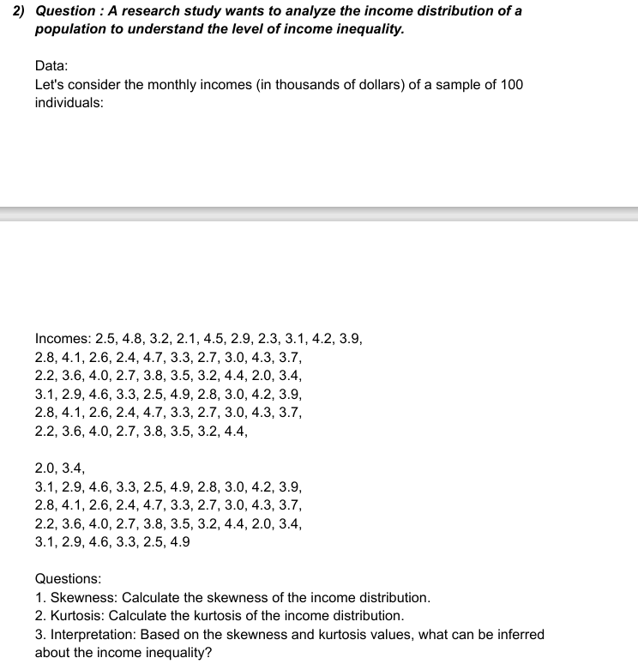

incomes
2.5 | 2.8 | 2.2 | 3.1 | 2.2 | 3.1 | 2.8 | 2.2 | 3.1
4.8 | 4.1 | 3.6 | 2.9 | 3.6 | 2.9 | 4.1 | 3.6 | 2.9
3.2 | 2.6 | 4 | 4.6 | 4 | 4.6 | 2.6 | 4 | 4.6
2.1 | 2.4 | 2.7 | 3.3 | 2.7 | 3.3 | 2.4 | 2.7 | 3.3
4.5 | 4.7 | 3.8 | 2.5 | 3.8 | 2.5 | 4.7 | 3.8 | 2.5
2.9 | 3.3 | 3.5 | 4.9 | 3.5 | 4.9 | 3.3 | 3.5 | 4.9
2.3 | 2.7 | 3.2 | 2.8 | 3.2 | 2.8 | 2.7 | 3.2
3.1 | 3 | 4.4 | 3 | 4.4 | 3 | 3 | 4.4
4.2 | 4.3 | 2 | 4.3 | 2 | 4.2 | 4.3 | 2
3.9 | 3.7 | 3.4 | 3.7 | 3.4 | 3.9 | 3.7 | 3.4

 |  | incomes

 |  | Mean | 3.3802325581
 |  | Standard Error | 0.085530768497
 |  | Median | 3.3
 |  | Mode | 3.3
 |  | Standard Deviation | 0.79317971666
 |  | Sample Variance | 0.62913406293
 |  | Kurtosis | -0.89215851276
 |  | Skewness | 0.20953285899
 |  | Range | 2.9
 |  | Minimum | 2
 |  | Maximum | 4.9
 |  | Sum | 290.7
 |  | Count | 86
 |  | Confidence Level(10.0%) | 0.01078007199

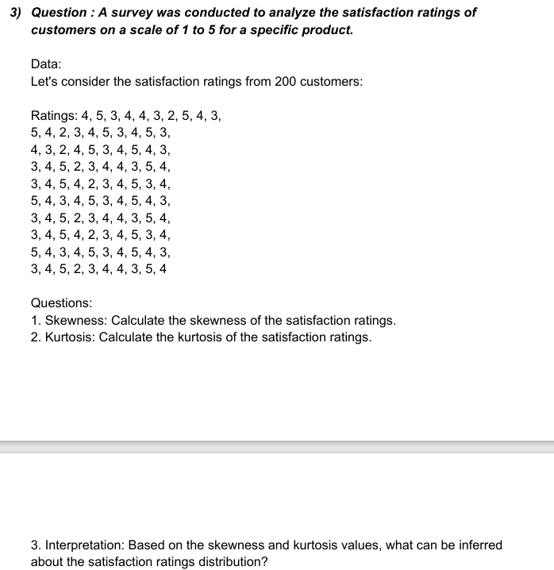

ratings
4 | 5 | 4 | 3 | 3 | 5 | 3 | 3 | 5 | 3
5 | 4 | 3 | 4 | 4 | 4 | 4 | 4 | 4 | 4
3 | 2 | 2 | 5 | 5 | 3 | 5 | 5 | 3 | 5
4 | 3 | 4 | 2 | 4 | 4 | 2 | 4 | 4 | 2
4 | 4 | 5 | 3 | 2 | 5 | 3 | 2 | 5 | 3
3 | 5 | 3 | 4 | 3 | 3 | 4 | 3 | 3 | 4
2 | 3 | 4 | 4 | 4 | 4 | 4 | 4 | 4 | 4
5 | 4 | 5 | 3 | 5 | 5 | 3 | 5 | 5 | 3
4 | 5 | 4 | 5 | 3 | 4 | 5 | 3 | 4 | 5
3 | 3 | 3 | 4 | 4 | 3 | 4 | 4 | 3 | 4

 |  | ratings

 |  | Mean | 3.77
 |  | Standard Error | 0.089730235437
 |  | Median | 4
 |  | Mode | 4
 |  | Standard Deviation | 0.89730235437
 |  | Sample Variance | 0.80515151515
 |  | Kurtosis | -0.74525627212
 |  | Skewness | -0.21090973977
 |  | Range | 3
 |  | Minimum | 2
 |  | Maximum | 5
 |  | Sum | 377
 |  | Count | 100
 |  | Confidence Level(10.0%) | 0.011304584203

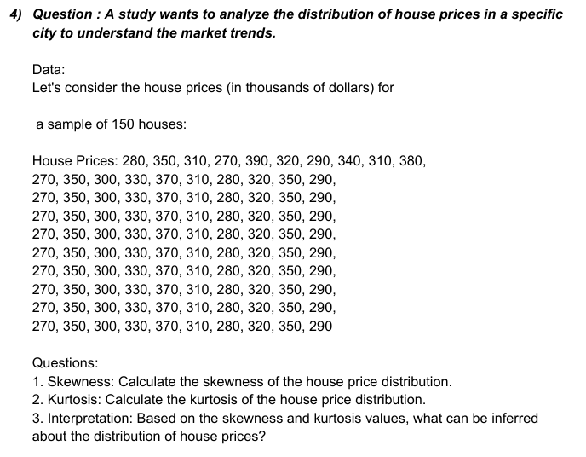

house price
280 | 270 | 270 | 270 | 270 | 270 | 270 | 270 | 270 | 270
350 | 350 | 350 | 350 | 350 | 350 | 350 | 350 | 350 | 350
310 | 300 | 300 | 300 | 300 | 300 | 300 | 300 | 300 | 300
270 | 330 | 330 | 330 | 330 | 330 | 330 | 330 | 330 | 330
390 | 370 | 370 | 370 | 370 | 370 | 370 | 370 | 370 | 370
320 | 310 | 310 | 310 | 310 | 310 | 310 | 310 | 310 | 310
290 | 280 | 280 | 280 | 280 | 280 | 280 | 280 | 280 | 280
340 | 320 | 320 | 320 | 320 | 320 | 320 | 320 | 320 | 320
310 | 350 | 350 | 350 | 350 | 350 | 350 | 350 | 350 | 350
380 | 290 | 290 | 290 | 290 | 290 | 290 | 290 | 290 | 290

house price |  | 280 |  | 350 |  | 310 |  | 270 |  | 390 |  | 320 |  | 290 |  | 340 |  | 310 |  | 380

Mean | #DIV/0! | Mean | 270 | Mean | 350 | Mean | 300 | Mean | 330 | Mean | 370 | Mean | 310 | Mean | 280 | Mean | 320 | Mean | 350 | Mean | 290
Standard Error | 0 | Standard Error | 0 | Standard Error | 0 | Standard Error | 0 | Standard Error | 0 | Standard Error | 0 | Standard Error | 0 | Standard Error | 0 | Standard Error | 0 | Standard Error | 0 | Standard Error | 0
Median | #NUM! | Median | 270 | Median | 350 | Median | 300 | Median | 330 | Median | 370 | Median | 310 | Median | 280 | Median | 320 | Median | 350 | Median | 290
Mode | #N/A | Mode | 270 | Mode | 350 | Mode | 300 | Mode | 330 | Mode | 370 | Mode | 310 | Mode | 280 | Mode | 320 | Mode | 350 | Mode | 290
Standard Deviation | #DIV/0! | Standard Deviation | 0 | Standard Deviation | 0 | Standard Deviation | 0 | Standard Deviation | 0 | Standard Deviation | 0 | Standard Deviation | 0 | Standard Deviation | 0 | Standard Deviation | 0 | Standard Deviation | 0 | Standard Deviation | 0
Sample Variance | #DIV/0! | Sample Variance | 0 | Sample Variance | 0 | Sample Variance | 0 | Sample Variance | 0 | Sample Variance | 0 | Sample Variance | 0 | Sample Variance | 0 | Sample Variance | 0 | Sample Variance | 0 | Sample Variance | 0
Kurtosis | #DIV/0! | Kurtosis | #DIV/0! | Kurtosis | #DIV/0! | Kurtosis | #DIV/0! | Kurtosis | #DIV/0! | Kurtosis | #DIV/0! | Kurtosis | #DIV/0! | Kurtosis | #DIV/0! | Kurtosis | #DIV/0! | Kurtosis | #DIV/0! | Kurtosis | #DIV/0!
Skewness | #DIV/0! | Skewness | #DIV/0! | Skewness | #DIV/0! | Skewness | #DIV/0! | Skewness | #DIV/0! | Skewness | #DIV/0! | Skewness | #DIV/0! | Skewness | #DIV/0! | Skewness | #DIV/0! | Skewness | #DIV/0! | Skewness | #DIV/0!
Range | 0 | Range | 0 | Range | 0 | Range | 0 | Range | 0 | Range | 0 | Range | 0 | Range | 0 | Range | 0 | Range | 0 | Range | 0
Minimum | 0 | Minimum | 270 | Minimum | 350 | Minimum | 300 | Minimum | 330 | Minimum | 370 | Minimum | 310 | Minimum | 280 | Minimum | 320 | Minimum | 350 | Minimum | 290
Maximum | 0 | Maximum | 270 | Maximum | 350 | Maximum | 300 | Maximum | 330 | Maximum | 370 | Maximum | 310 | Maximum | 280 | Maximum | 320 | Maximum | 350 | Maximum | 290
Sum | 0 | Sum | 2430 | Sum | 3150 | Sum | 2700 | Sum | 2970 | Sum | 3330 | Sum | 2790 | Sum | 2520 | Sum | 2880 | Sum | 3150 | Sum | 2610
Count | 0 | Count | 9 | Count | 9 | Count | 9 | Count | 9 | Count | 9 | Count | 9 | Count | 9 | Count | 9 | Count | 9 | Count | 9
Confidence Level(10.0%) | #NUM! | Confidence Level(10.0%) | 0 | Confidence Level(10.0%) | 0 | Confidence Level(10.0%) | 0 | Confidence Level(10.0%) | 0 | Confidence Level(10.0%) | 0 | Confidence Level(10.0%) | 0 | Confidence Level(10.0%) | 0 | Confidence Level(10.0%) | 0 | Confidence Level(10.0%) | 0 | Confidence Level(10.0%) | 0

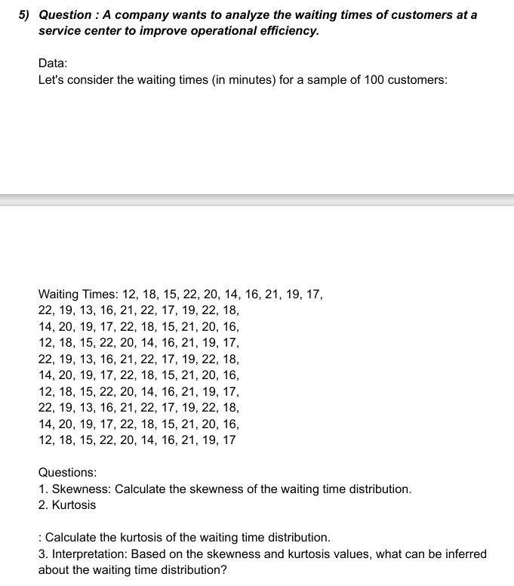

waiting times
12 | 22 | 14 | 12 | 22 | 14 | 12 | 22 | 14 | 12
18 | 19 | 20 | 18 | 19 | 20 | 18 | 19 | 20 | 18
12 | 13 | 19 | 15 | 13 | 19 | 15 | 13 | 19 | 15
22 | 16 | 17 | 22 | 16 | 17 | 22 | 16 | 17 | 22
20 | 21 | 22 | 20 | 21 | 22 | 20 | 21 | 22 | 20
14 | 22 | 18 | 14 | 22 | 18 | 14 | 22 | 18 | 14
16 | 17 | 15 | 16 | 17 | 15 | 16 | 17 | 15 | 16
21 | 19 | 21 | 21 | 19 | 21 | 21 | 19 | 21 | 21
19 | 22 | 20 | 19 | 22 | 20 | 19 | 22 | 20 | 19
17 | 18 | 16 | 17 | 18 | 16 | 17 | 18 | 16 | 17

waiting times |  | 12 |  | 18 |  | 12 |  | 22 |  | 20 |  | 14 |  | 16 |  | 21 |  | 19 |  | 17

Mean | #DIV/0! | Mean | 16 | Mean | 19 | Mean | 15.666666667 | Mean | 18.333333333 | Mean | 21 | Mean | 18 | Mean | 16 | Mean | 20.333333333 | Mean | 20.333333333 | Mean | 17
Standard Error | 0 | Standard Error | 1.5275252317 | Standard Error | 0.28867513459 | Standard Error | 0.88191710369 | Standard Error | 0.92796072714 | Standard Error | 0.28867513459 | Standard Error | 1.1547005384 | Standard Error | 0.28867513459 | Standard Error | 0.33333333333 | Standard Error | 0.44095855184 | Standard Error | 0.28867513459
Median | #NUM! | Median | 14 | Median | 19 | Median | 15 | Median | 17 | Median | 21 | Median | 18 | Median | 16 | Median | 21 | Median | 20 | Median | 17
Mode | #N/A | Mode | 22 | Mode | 19 | Mode | 13 | Mode | 16 | Mode | 21 | Mode | 22 | Mode | 17 | Mode | 21 | Mode | 22 | Mode | 18
Standard Deviation | #DIV/0! | Standard Deviation | 4.582575695 | Standard Deviation | 0.86602540378 | Standard Deviation | 2.6457513111 | Standard Deviation | 2.7838821814 | Standard Deviation | 0.86602540378 | Standard Deviation | 3.4641016151 | Standard Deviation | 0.86602540378 | Standard Deviation | 1 | Standard Deviation | 1.3228756555 | Standard Deviation | 0.86602540378
Sample Variance | #DIV/0! | Sample Variance | 21 | Sample Variance | 0.75 | Sample Variance | 7 | Sample Variance | 7.75 | Sample Variance | 0.75 | Sample Variance | 12 | Sample Variance | 0.75 | Sample Variance | 1 | Sample Variance | 1.75 | Sample Variance | 0.75
Kurtosis | #DIV/0! | Kurtosis | -1.7142857143 | Kurtosis | -1.7142857143 | Kurtosis | -1.7142857143 | Kurtosis | -1.7142857143 | Kurtosis | -1.7142857143 | Kurtosis | -1.7142857143 | Kurtosis | -1.7142857143 | Kurtosis | -1.7142857143 | Kurtosis | -1.7142857143 | Kurtosis | -1.7142857143
Skewness | #DIV/0! | Skewness | 0.72145506568 | Skewness | 0 | Skewness | 0.46281364042 | Skewness | 0.76477096347 | Skewness | 0 | Skewness | 0 | Skewness | 0 | Skewness | -0.85714285714 | Skewness | 0.46281364042 | Skewness | 0
Range | 0 | Range | 10 | Range | 2 | Range | 6 | Range | 6 | Range | 2 | Range | 8 | Range | 2 | Range | 2 | Range | 3 | Range | 2
Minimum | 0 | Minimum | 12 | Minimum | 18 | Minimum | 13 | Minimum | 16 | Minimum | 20 | Minimum | 14 | Minimum | 15 | Minimum | 19 | Minimum | 19 | Minimum | 16
Maximum | 0 | Maximum | 22 | Maximum | 20 | Maximum | 19 | Maximum | 22 | Maximum | 22 | Maximum | 22 | Maximum | 17 | Maximum | 21 | Maximum | 22 | Maximum | 18
Sum | 0 | Sum | 144 | Sum | 171 | Sum | 141 | Sum | 165 | Sum | 189 | Sum | 162 | Sum | 144 | Sum | 183 | Sum | 183 | Sum | 153
Count | 0 | Count | 9 | Count | 9 | Count | 9 | Count | 9 | Count | 9 | Count | 9 | Count | 9 | Count | 9 | Count | 9 | Count | 9
Confidence Level(10.0%) | #NUM! | Confidence Level(10.0%) | 0.19813113003 | Confidence Level(10.0%) | 0.037443264074 | Confidence Level(10.0%) | 0.11439106126 | Confidence Level(10.0%) | 0.12036325403 | Confidence Level(10.0%) | 0.037443264074 | Confidence Level(10.0%) | 0.1497730563 | Confidence Level(10.0%) | 0.037443264074 | Confidence Level(10.0%) | 0.043235757185 | Confidence Level(10.0%) | 0.057195530628 | Confidence Level(10.0%) | 0.037443264074

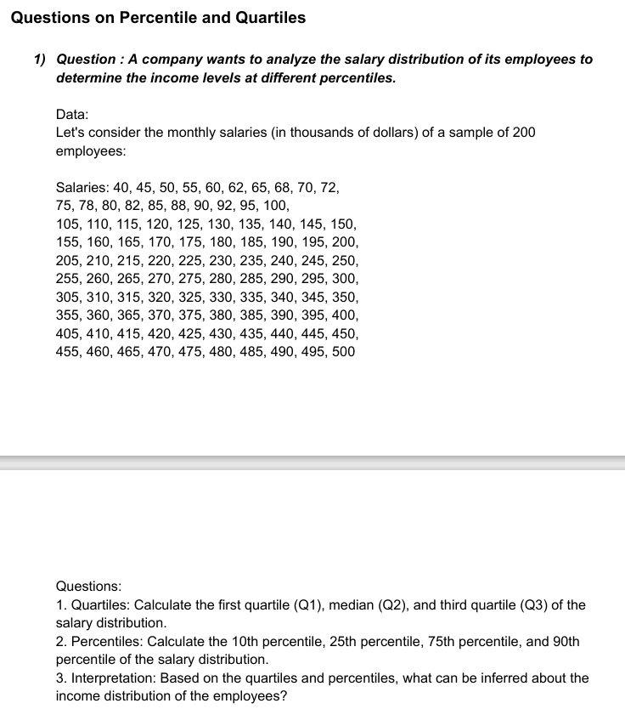

salaries | q1 | 126.25
40 | q2 | 252.5
45 | q3 | 378.75
50
55
60
62 |  | Point | Column1 | Rank | Percent
65 |  | 100 | 500 | 1 | 100.00%
68 |  | 99 | 495 | 2 | 98.90%
70 |  | 98 | 490 | 3 | 97.90%
72 |  | 97 | 485 | 4 | 96.90%
75 |  | 96 | 480 | 5 | 95.90%
78 |  | 95 | 475 | 6 | 94.90%
80 |  | 94 | 470 | 7 | 93.90%
82 |  | 93 | 465 | 8 | 92.90%
85 |  | 92 | 460 | 9 | 91.90%
88 |  | 91 | 455 | 10 | 90.90%
90 |  | 90 | 450 | 11 | 89.80%
92 |  | 89 | 445 | 12 | 88.80%
95 |  | 88 | 440 | 13 | 87.80%
100 |  | 87 | 435 | 14 | 86.80%
105 |  | 86 | 430 | 15 | 85.80%
110 |  | 85 | 425 | 16 | 84.80%
115 |  | 84 | 420 | 17 | 83.80%
120 |  | 83 | 415 | 18 | 82.80%
125 |  | 82 | 410 | 19 | 81.80%
130 |  | 81 | 405 | 20 | 80.80%
135 |  | 80 | 400 | 21 | 79.70%
140 |  | 79 | 395 | 22 | 78.70%
145 |  | 78 | 390 | 23 | 77.70%
150 |  | 77 | 385 | 24 | 76.70%
155 |  | 76 | 380 | 25 | 75.70%
160 |  | 75 | 375 | 26 | 74.70%
165 |  | 74 | 370 | 27 | 73.70%
170 |  | 73 | 365 | 28 | 72.70%
175 |  | 72 | 360 | 29 | 71.70%
180 |  | 71 | 355 | 30 | 70.70%
185 |  | 70 | 350 | 31 | 69.60%
190 |  | 69 | 345 | 32 | 68.60%
195 |  | 68 | 340 | 33 | 67.60%
200 |  | 67 | 335 | 34 | 66.60%
205 |  | 66 | 330 | 35 | 65.60%
210 |  | 65 | 325 | 36 | 64.60%
215 |  | 64 | 320 | 37 | 63.60%
220 |  | 63 | 315 | 38 | 62.60%
225 |  | 62 | 310 | 39 | 61.60%
230 |  | 61 | 305 | 40 | 60.60%
235 |  | 60 | 300 | 41 | 59.50%
240 |  | 59 | 295 | 42 | 58.50%
245 |  | 58 | 290 | 43 | 57.50%
250 |  | 57 | 285 | 44 | 56.50%
255 |  | 56 | 280 | 45 | 55.50%
260 |  | 55 | 275 | 46 | 54.50%
265 |  | 54 | 270 | 47 | 53.50%
270 |  | 53 | 265 | 48 | 52.50%
275 |  | 52 | 260 | 49 | 51.50%
280 |  | 51 | 255 | 50 | 50.50%
285 |  | 50 | 250 | 51 | 49.40%
290 |  | 49 | 245 | 52 | 48.40%
295 |  | 48 | 240 | 53 | 47.40%
300 |  | 47 | 235 | 54 | 46.40%
305 |  | 46 | 230 | 55 | 45.40%
310 |  | 45 | 225 | 56 | 44.40%
315 |  | 44 | 220 | 57 | 43.40%
320 |  | 43 | 215 | 58 | 42.40%
325 |  | 42 | 210 | 59 | 41.40%
330 |  | 41 | 205 | 60 | 40.40%
335 |  | 40 | 200 | 61 | 39.30%
340 |  | 39 | 195 | 62 | 38.30%
345 |  | 38 | 190 | 63 | 37.30%
350 |  | 37 | 185 | 64 | 36.30%
355 |  | 36 | 180 | 65 | 35.30%
360 |  | 35 | 175 | 66 | 34.30%
365 |  | 34 | 170 | 67 | 33.30%
370 |  | 33 | 165 | 68 | 32.30%
375 |  | 32 | 160 | 69 | 31.30%
380 |  | 31 | 155 | 70 | 30.30%
385 |  | 30 | 150 | 71 | 29.20%
390 |  | 29 | 145 | 72 | 28.20%
395 |  | 28 | 140 | 73 | 27.20%
400 |  | 27 | 135 | 74 | 26.20%
405 |  | 26 | 130 | 75 | 25.20%
410 |  | 25 | 125 | 76 | 24.20%
415 |  | 24 | 120 | 77 | 23.20%
420 |  | 23 | 115 | 78 | 22.20%
425 |  | 22 | 110 | 79 | 21.20%
430 |  | 21 | 105 | 80 | 20.20%
435 |  | 20 | 100 | 81 | 19.10%
440 |  | 19 | 95 | 82 | 18.10%
445 |  | 18 | 92 | 83 | 17.10%
450 |  | 17 | 90 | 84 | 16.10%
455 |  | 16 | 88 | 85 | 15.10%
460 |  | 15 | 85 | 86 | 14.10%
465 |  | 14 | 82 | 87 | 13.10%
470 |  | 13 | 80 | 88 | 12.10%
475 |  | 12 | 78 | 89 | 11.10%
480 |  | 11 | 75 | 90 | 10.10%
485 |  | 10 | 72 | 91 | 9.00%
490 |  | 9 | 70 | 92 | 8.00%
495 |  | 8 | 68 | 93 | 7.00%
500 |  | 7 | 65 | 94 | 6.00%
 |  | 6 | 62 | 95 | 5.00%
 |  | 5 | 60 | 96 | 4.00%
 |  | 4 | 55 | 97 | 3.00%
 |  | 3 | 50 | 98 | 2.00%
 |  | 2 | 45 | 99 | 1.00%
 |  | 1 | 40 | 100 | 0.00%

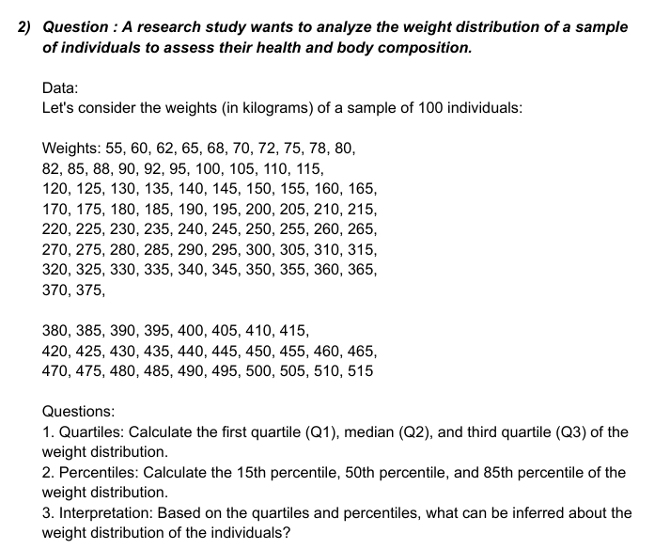

 |  |  |  |  |  | q1 | 147.5
 |  |  |  |  |  | q2 | 270
 |  |  |  |  |  | q3 | 392.5

weights
55 |  | Point | Column1 | Rank | Percent
60 |  | 97 | 515 | 1 | 100.00%
62 |  | 96 | 510 | 2 | 98.90%
65 |  | 95 | 505 | 3 | 97.90%
70 |  | 94 | 500 | 4 | 96.80%
72 |  | 93 | 490 | 5 | 95.80%
75 |  | 92 | 485 | 6 | 94.70%
78 |  | 91 | 480 | 7 | 93.70%
80 |  | 90 | 475 | 8 | 92.70%
82 |  | 89 | 470 | 9 | 91.60%
85 |  | 88 | 465 | 10 | 90.60%
90 |  | 87 | 460 | 11 | 89.50%
92 |  | 86 | 455 | 12 | 88.50%
95 |  | 85 | 450 | 13 | 87.50%
100 |  | 84 | 445 | 14 | 86.40%
105 |  | 83 | 440 | 15 | 85.40%
110 |  | 82 | 435 | 16 | 84.30%
115 |  | 81 | 430 | 17 | 83.30%
120 |  | 80 | 425 | 18 | 82.20%
125 |  | 79 | 420 | 19 | 81.20%
130 |  | 78 | 415 | 20 | 80.20%
135 |  | 77 | 410 | 21 | 79.10%
140 |  | 76 | 405 | 22 | 78.10%
145 |  | 75 | 400 | 23 | 77.00%
150 |  | 74 | 395 | 24 | 76.00%
155 |  | 73 | 390 | 25 | 75.00%
160 |  | 72 | 385 | 26 | 73.90%
165 |  | 71 | 380 | 27 | 72.90%
170 |  | 70 | 375 | 28 | 71.80%
175 |  | 69 | 370 | 29 | 70.80%
180 |  | 68 | 365 | 30 | 69.70%
185 |  | 67 | 360 | 31 | 68.70%
190 |  | 66 | 355 | 32 | 67.70%
195 |  | 65 | 350 | 33 | 66.60%
200 |  | 64 | 345 | 34 | 65.60%
205 |  | 63 | 340 | 35 | 64.50%
210 |  | 62 | 335 | 36 | 63.50%
215 |  | 61 | 330 | 37 | 62.50%
220 |  | 60 | 325 | 38 | 61.40%
225 |  | 59 | 320 | 39 | 60.40%
230 |  | 58 | 315 | 40 | 59.30%
235 |  | 57 | 310 | 41 | 58.30%
240 |  | 56 | 305 | 42 | 57.20%
245 |  | 55 | 300 | 43 | 56.20%
250 |  | 54 | 295 | 44 | 55.20%
255 |  | 53 | 290 | 45 | 54.10%
260 |  | 52 | 285 | 46 | 53.10%
265 |  | 51 | 280 | 47 | 52.00%
270 |  | 50 | 275 | 48 | 51.00%
275 |  | 49 | 270 | 49 | 50.00%
280 |  | 48 | 265 | 50 | 48.90%
285 |  | 47 | 260 | 51 | 47.90%
290 |  | 46 | 255 | 52 | 46.80%
295 |  | 45 | 250 | 53 | 45.80%
300 |  | 44 | 245 | 54 | 44.70%
305 |  | 43 | 240 | 55 | 43.70%
310 |  | 42 | 235 | 56 | 42.70%
315 |  | 41 | 230 | 57 | 41.60%
320 |  | 40 | 225 | 58 | 40.60%
325 |  | 39 | 220 | 59 | 39.50%
330 |  | 38 | 215 | 60 | 38.50%
335 |  | 37 | 210 | 61 | 37.50%
340 |  | 36 | 205 | 62 | 36.40%
345 |  | 35 | 200 | 63 | 35.40%
350 |  | 34 | 195 | 64 | 34.30%
355 |  | 33 | 190 | 65 | 33.30%
360 |  | 32 | 185 | 66 | 32.20%
365 |  | 31 | 180 | 67 | 31.20%
370 |  | 30 | 175 | 68 | 30.20%
375 |  | 29 | 170 | 69 | 29.10%
380 |  | 28 | 165 | 70 | 28.10%
385 |  | 27 | 160 | 71 | 27.00%
390 |  | 26 | 155 | 72 | 26.00%
395 |  | 25 | 150 | 73 | 25.00%
400 |  | 24 | 145 | 74 | 23.90%
405 |  | 23 | 140 | 75 | 22.90%
410 |  | 22 | 135 | 76 | 21.80%
415 |  | 21 | 130 | 77 | 20.80%
420 |  | 20 | 125 | 78 | 19.70%
425 |  | 19 | 120 | 79 | 18.70%
430 |  | 18 | 115 | 80 | 17.70%
435 |  | 17 | 110 | 81 | 16.60%
440 |  | 16 | 105 | 82 | 15.60%
445 |  | 15 | 100 | 83 | 14.50%
450 |  | 14 | 95 | 84 | 13.50%
455 |  | 13 | 92 | 85 | 12.50%
460 |  | 12 | 90 | 86 | 11.40%
465 |  | 11 | 85 | 87 | 10.40%
470 |  | 10 | 82 | 88 | 9.30%
475 |  | 9 | 80 | 89 | 8.30%
480 |  | 8 | 78 | 90 | 7.20%
485 |  | 7 | 75 | 91 | 6.20%
490 |  | 6 | 72 | 92 | 5.20%
500 |  | 5 | 70 | 93 | 4.10%
505 |  | 4 | 65 | 94 | 3.10%
510 |  | 3 | 62 | 95 | 2.00%
515 |  | 2 | 60 | 96 | 1.00%
 |  | 1 | 55 | 97 | 0.00%

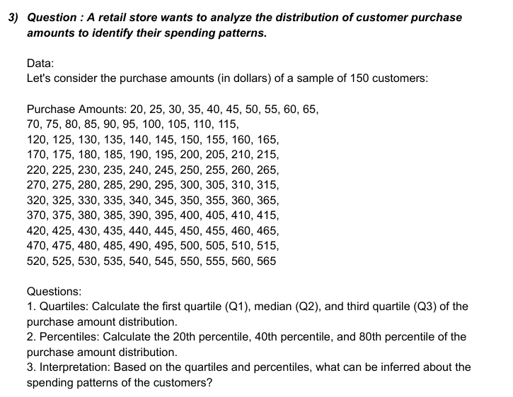

 |  |  |  |  | q1 | 151.25
 |  |  |  |  | q2 | 287.5
 |  |  |  |  | q3 | 423.75

purchase amounts
20 |  | Point | Column1 | Rank | Percent
25 |  | 108 | 565 | 1 | 100.00%
30 |  | 107 | 560 | 2 | 99.00%
35 |  | 106 | 555 | 3 | 98.10%
40 |  | 105 | 550 | 4 | 97.10%
45 |  | 104 | 540 | 5 | 96.20%
50 |  | 103 | 535 | 6 | 95.30%
55 |  | 102 | 530 | 7 | 94.30%
60 |  | 101 | 525 | 8 | 93.40%
65 |  | 100 | 520 | 9 | 92.50%
70 |  | 99 | 515 | 10 | 91.50%
75 |  | 98 | 510 | 11 | 90.60%
80 |  | 97 | 505 | 12 | 89.70%
85 |  | 96 | 500 | 13 | 88.70%
90 |  | 95 | 490 | 14 | 87.80%
95 |  | 94 | 485 | 15 | 86.90%
100 |  | 93 | 480 | 16 | 85.90%
105 |  | 92 | 475 | 17 | 85.00%
110 |  | 91 | 470 | 18 | 84.10%
115 |  | 90 | 465 | 19 | 83.10%
120 |  | 89 | 460 | 20 | 82.20%
125 |  | 88 | 455 | 21 | 81.30%
130 |  | 87 | 450 | 22 | 80.30%
135 |  | 86 | 445 | 23 | 79.40%
140 |  | 85 | 440 | 24 | 78.50%
145 |  | 84 | 435 | 25 | 77.50%
150 |  | 83 | 430 | 26 | 76.60%
155 |  | 82 | 425 | 27 | 75.70%
160 |  | 81 | 420 | 28 | 74.70%
165 |  | 80 | 415 | 29 | 73.80%
170 |  | 79 | 410 | 30 | 72.80%
175 |  | 78 | 405 | 31 | 71.90%
180 |  | 77 | 400 | 32 | 71.00%
185 |  | 76 | 395 | 33 | 70.00%
190 |  | 75 | 390 | 34 | 69.10%
195 |  | 74 | 385 | 35 | 68.20%
200 |  | 73 | 380 | 36 | 67.20%
205 |  | 72 | 375 | 37 | 66.30%
210 |  | 71 | 370 | 38 | 65.40%
215 |  | 70 | 365 | 39 | 64.40%
220 |  | 69 | 360 | 40 | 63.50%
225 |  | 68 | 355 | 41 | 62.60%
230 |  | 67 | 350 | 42 | 61.60%
235 |  | 66 | 345 | 43 | 60.70%
240 |  | 65 | 340 | 44 | 59.80%
245 |  | 64 | 335 | 45 | 58.80%
250 |  | 63 | 330 | 46 | 57.90%
255 |  | 62 | 325 | 47 | 57.00%
260 |  | 61 | 320 | 48 | 56.00%
265 |  | 60 | 315 | 49 | 55.10%
270 |  | 59 | 310 | 50 | 54.20%
275 |  | 58 | 305 | 51 | 53.20%
280 |  | 57 | 300 | 52 | 52.30%
285 |  | 56 | 295 | 53 | 51.40%
290 |  | 55 | 290 | 54 | 50.40%
295 |  | 54 | 285 | 55 | 49.50%
300 |  | 53 | 280 | 56 | 48.50%
305 |  | 52 | 275 | 57 | 47.60%
310 |  | 51 | 270 | 58 | 46.70%
315 |  | 50 | 265 | 59 | 45.70%
320 |  | 49 | 260 | 60 | 44.80%
325 |  | 48 | 255 | 61 | 43.90%
330 |  | 47 | 250 | 62 | 42.90%
335 |  | 46 | 245 | 63 | 42.00%
340 |  | 45 | 240 | 64 | 41.10%
345 |  | 44 | 235 | 65 | 40.10%
350 |  | 43 | 230 | 66 | 39.20%
355 |  | 42 | 225 | 67 | 38.30%
360 |  | 41 | 220 | 68 | 37.30%
365 |  | 40 | 215 | 69 | 36.40%
370 |  | 39 | 210 | 70 | 35.50%
375 |  | 38 | 205 | 71 | 34.50%
380 |  | 37 | 200 | 72 | 33.60%
385 |  | 36 | 195 | 73 | 32.70%
390 |  | 35 | 190 | 74 | 31.70%
395 |  | 34 | 185 | 75 | 30.80%
400 |  | 33 | 180 | 76 | 29.90%
405 |  | 32 | 175 | 77 | 28.90%
410 |  | 31 | 170 | 78 | 28.00%
415 |  | 30 | 165 | 79 | 27.10%
420 |  | 29 | 160 | 80 | 26.10%
425 |  | 28 | 155 | 81 | 25.20%
430 |  | 27 | 150 | 82 | 24.20%
435 |  | 26 | 145 | 83 | 23.30%
440 |  | 25 | 140 | 84 | 22.40%
445 |  | 24 | 135 | 85 | 21.40%
450 |  | 23 | 130 | 86 | 20.50%
455 |  | 22 | 125 | 87 | 19.60%
460 |  | 21 | 120 | 88 | 18.60%
465 |  | 20 | 115 | 89 | 17.70%
470 |  | 19 | 110 | 90 | 16.80%
475 |  | 18 | 105 | 91 | 15.80%
480 |  | 17 | 100 | 92 | 14.90%
485 |  | 16 | 95 | 93 | 14.00%
490 |  | 15 | 90 | 94 | 13.00%
500 |  | 14 | 85 | 95 | 12.10%
505 |  | 13 | 80 | 96 | 11.20%
510 |  | 12 | 75 | 97 | 10.20%
515 |  | 11 | 70 | 98 | 9.30%
520 |  | 10 | 65 | 99 | 8.40%
525 |  | 9 | 60 | 100 | 7.40%
530 |  | 8 | 55 | 101 | 6.50%
535 |  | 7 | 50 | 102 | 5.60%
540 |  | 6 | 45 | 103 | 4.60%
550 |  | 5 | 40 | 104 | 3.70%
555 |  | 4 | 35 | 105 | 2.80%
560 |  | 3 | 30 | 106 | 1.80%
565 |  | 2 | 25 | 107 | 0.90%
 |  | 1 | 20 | 108 | 0.00%

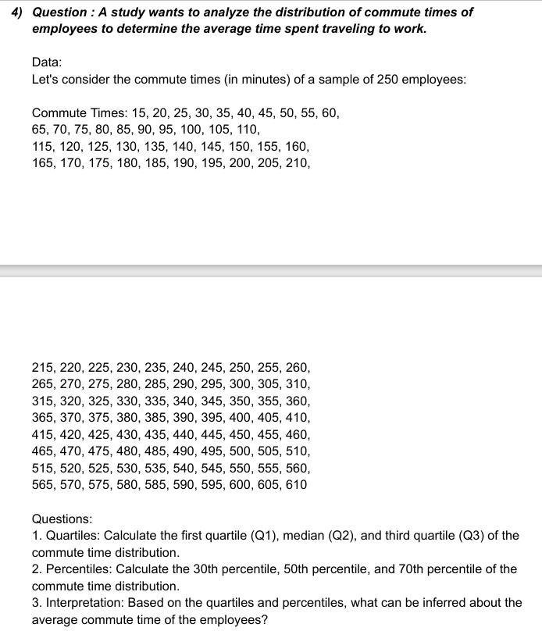

 |  |  |  | q1 | 160
 |  |  |  | q2 | 305
 |  |  |  | q3 | 450

purchase amounts
20 |  | Point | Column1 | Rank | Percent
25 |  | 115 | 610 | 1 | 100.00%
30 |  | 114 | 605 | 2 | 99.10%
35 |  | 113 | 600 | 3 | 98.20%
40 |  | 112 | 590 | 4 | 97.30%
45 |  | 111 | 580 | 5 | 96.40%
50 |  | 110 | 575 | 6 | 95.60%
55 |  | 109 | 570 | 7 | 94.70%
60 |  | 108 | 565 | 8 | 93.80%
65 |  | 107 | 560 | 9 | 92.90%
70 |  | 106 | 555 | 10 | 92.10%
75 |  | 105 | 550 | 11 | 91.20%
80 |  | 104 | 540 | 12 | 90.30%
85 |  | 103 | 535 | 13 | 89.40%
90 |  | 102 | 530 | 14 | 88.50%
95 |  | 101 | 525 | 15 | 87.70%
100 |  | 100 | 520 | 16 | 86.80%
105 |  | 99 | 515 | 17 | 85.90%
110 |  | 98 | 510 | 18 | 85.00%
115 |  | 97 | 505 | 19 | 84.20%
120 |  | 96 | 500 | 20 | 83.30%
125 |  | 95 | 490 | 21 | 82.40%
130 |  | 94 | 485 | 22 | 81.50%
135 |  | 93 | 480 | 23 | 80.70%
140 |  | 92 | 475 | 24 | 79.80%
145 |  | 91 | 470 | 25 | 78.90%
150 |  | 90 | 465 | 26 | 78.00%
155 |  | 89 | 460 | 27 | 77.10%
160 |  | 88 | 455 | 28 | 76.30%
165 |  | 87 | 450 | 29 | 75.40%
170 |  | 86 | 445 | 30 | 74.50%
175 |  | 85 | 440 | 31 | 73.60%
180 |  | 84 | 435 | 32 | 72.80%
185 |  | 83 | 430 | 33 | 71.90%
190 |  | 82 | 425 | 34 | 71.00%
195 |  | 81 | 420 | 35 | 70.10%
200 |  | 80 | 415 | 36 | 69.20%
205 |  | 79 | 410 | 37 | 68.40%
210 |  | 78 | 405 | 38 | 67.50%
215 |  | 77 | 400 | 39 | 66.60%
220 |  | 76 | 395 | 40 | 65.70%
225 |  | 75 | 390 | 41 | 64.90%
230 |  | 74 | 385 | 42 | 64.00%
235 |  | 73 | 380 | 43 | 63.10%
240 |  | 72 | 375 | 44 | 62.20%
245 |  | 71 | 370 | 45 | 61.40%
250 |  | 70 | 365 | 46 | 60.50%
255 |  | 69 | 360 | 47 | 59.60%
260 |  | 68 | 355 | 48 | 58.70%
265 |  | 67 | 350 | 49 | 57.80%
270 |  | 66 | 345 | 50 | 57.00%
275 |  | 65 | 340 | 51 | 56.10%
280 |  | 64 | 335 | 52 | 55.20%
285 |  | 63 | 330 | 53 | 54.30%
290 |  | 62 | 325 | 54 | 53.50%
295 |  | 61 | 320 | 55 | 52.60%
300 |  | 60 | 315 | 56 | 51.70%
305 |  | 59 | 310 | 57 | 50.80%
310 |  | 58 | 305 | 58 | 50.00%
315 |  | 57 | 300 | 59 | 49.10%
320 |  | 56 | 295 | 60 | 48.20%
325 |  | 55 | 290 | 61 | 47.30%
330 |  | 54 | 285 | 62 | 46.40%
335 |  | 53 | 280 | 63 | 45.60%
340 |  | 52 | 275 | 64 | 44.70%
345 |  | 51 | 270 | 65 | 43.80%
350 |  | 50 | 265 | 66 | 42.90%
355 |  | 49 | 260 | 67 | 42.10%
360 |  | 48 | 255 | 68 | 41.20%
365 |  | 47 | 250 | 69 | 40.30%
370 |  | 46 | 245 | 70 | 39.40%
375 |  | 45 | 240 | 71 | 38.50%
380 |  | 44 | 235 | 72 | 37.70%
385 |  | 43 | 230 | 73 | 36.80%
390 |  | 42 | 225 | 74 | 35.90%
395 |  | 41 | 220 | 75 | 35.00%
400 |  | 40 | 215 | 76 | 34.20%
405 |  | 39 | 210 | 77 | 33.30%
410 |  | 38 | 205 | 78 | 32.40%
415 |  | 37 | 200 | 79 | 31.50%
420 |  | 36 | 195 | 80 | 30.70%
425 |  | 35 | 190 | 81 | 29.80%
430 |  | 34 | 185 | 82 | 28.90%
435 |  | 33 | 180 | 83 | 28.00%
440 |  | 32 | 175 | 84 | 27.10%
445 |  | 31 | 170 | 85 | 26.30%
450 |  | 30 | 165 | 86 | 25.40%
455 |  | 29 | 160 | 87 | 24.50%
460 |  | 28 | 155 | 88 | 23.60%
465 |  | 27 | 150 | 89 | 22.80%
470 |  | 26 | 145 | 90 | 21.90%
475 |  | 25 | 140 | 91 | 21.00%
480 |  | 24 | 135 | 92 | 20.10%
485 |  | 23 | 130 | 93 | 19.20%
490 |  | 22 | 125 | 94 | 18.40%
500 |  | 21 | 120 | 95 | 17.50%
505 |  | 20 | 115 | 96 | 16.60%
510 |  | 19 | 110 | 97 | 15.70%
515 |  | 18 | 105 | 98 | 14.90%
520 |  | 17 | 100 | 99 | 14.00%
525 |  | 16 | 95 | 100 | 13.10%
530 |  | 15 | 90 | 101 | 12.20%
535 |  | 14 | 85 | 102 | 11.40%
540 |  | 13 | 80 | 103 | 10.50%
550 |  | 12 | 75 | 104 | 9.60%
555 |  | 11 | 70 | 105 | 8.70%
560 |  | 10 | 65 | 106 | 7.80%
565 |  | 9 | 60 | 107 | 7.00%
570 |  | 8 | 55 | 108 | 6.10%
575 |  | 7 | 50 | 109 | 5.20%
580 |  | 6 | 45 | 110 | 4.30%
590 |  | 5 | 40 | 111 | 3.50%
600 |  | 4 | 35 | 112 | 2.60%
605 |  | 3 | 30 | 113 | 1.70%
610 |  | 2 | 25 | 114 | 0.80%
 |  | 1 | 20 | 115 | 0.00%

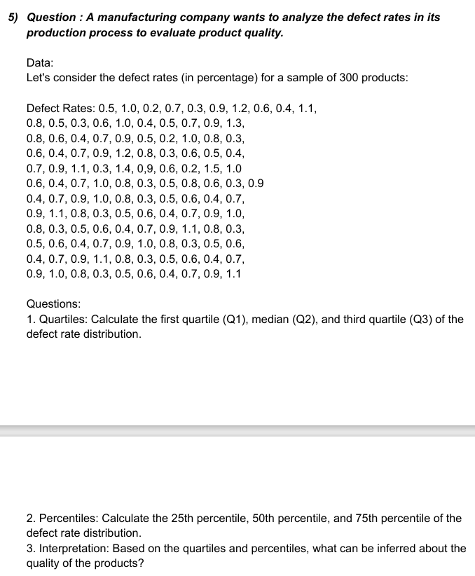

 |  |  |  | q1 | 0.4
 |  |  |  | q2 | 0.7
 |  |  |  | q3 | 0.9

defect rates
0.5 |  | Point | Column1 | Rank | Percent
1 |  | 49 | 1.5 | 1 | 100.00%
0.2 |  | 45 | 1.4 | 2 | 99.10%
0.7 |  | 20 | 1.3 | 3 | 98.30%
0.3 |  | 7 | 1.2 | 4 | 96.60%
0.9 |  | 35 | 1.2 | 4 | 96.60%
1.2 |  | 10 | 1.1 | 6 | 91.60%
0.6 |  | 43 | 1.1 | 6 | 91.60%
0.4 |  | 73 | 1.1 | 6 | 91.60%
1.1 |  | 89 | 1.1 | 6 | 91.60%
0.8 |  | 105 | 1.1 | 6 | 91.60%
0.5 |  | 121 | 1.1 | 6 | 91.60%
0.3 |  | 2 | 1 | 12 | 84.10%
0.6 |  | 15 | 1 | 12 | 84.10%
1 |  | 28 | 1 | 12 | 84.10%
0.4 |  | 50 | 1 | 12 | 84.10%
0.5 |  | 54 | 1 | 12 | 84.10%
0.7 |  | 65 | 1 | 12 | 84.10%
0.9 |  | 81 | 1 | 12 | 84.10%
1.3 |  | 97 | 1 | 12 | 84.10%
0.8 |  | 113 | 1 | 12 | 84.10%
0.6 |  | 6 | 0.9 | 21 | 71.60%
0.4 |  | 19 | 0.9 | 21 | 71.60%
0.7 |  | 25 | 0.9 | 21 | 71.60%
0.9 |  | 34 | 0.9 | 21 | 71.60%
0.5 |  | 42 | 0.9 | 21 | 71.60%
0.2 |  | 46 | 0.9 | 21 | 71.60%
1 |  | 61 | 0.9 | 21 | 71.60%
0.8 |  | 64 | 0.9 | 21 | 71.60%
0.3 |  | 72 | 0.9 | 21 | 71.60%
0.6 |  | 80 | 0.9 | 21 | 71.60%
0.4 |  | 88 | 0.9 | 21 | 71.60%
0.7 |  | 96 | 0.9 | 21 | 71.60%
0.9 |  | 104 | 0.9 | 21 | 71.60%
1.2 |  | 112 | 0.9 | 21 | 71.60%
0.8 |  | 120 | 0.9 | 21 | 71.60%
0.3 |  | 11 | 0.8 | 36 | 60.80%
0.6 |  | 21 | 0.8 | 36 | 60.80%
0.5 |  | 29 | 0.8 | 36 | 60.80%
0.4 |  | 36 | 0.8 | 36 | 60.80%
0.7 |  | 55 | 0.8 | 36 | 60.80%
0.9 |  | 58 | 0.8 | 36 | 60.80%
1.1 |  | 66 | 0.8 | 36 | 60.80%
0.3 |  | 74 | 0.8 | 36 | 60.80%
1.4 |  | 82 | 0.8 | 36 | 60.80%
0.9 |  | 90 | 0.8 | 36 | 60.80%
0.6 |  | 98 | 0.8 | 36 | 60.80%
0.2 |  | 106 | 0.8 | 36 | 60.80%
1.5 |  | 114 | 0.8 | 36 | 60.80%
1 |  | 4 | 0.7 | 49 | 49.10%
0.6 |  | 18 | 0.7 | 49 | 49.10%
0.4 |  | 24 | 0.7 | 49 | 49.10%
0.7 |  | 33 | 0.7 | 49 | 49.10%
1 |  | 41 | 0.7 | 49 | 49.10%
0.8 |  | 53 | 0.7 | 49 | 49.10%
0.3 |  | 63 | 0.7 | 49 | 49.10%
0.5 |  | 71 | 0.7 | 49 | 49.10%
0.8 |  | 79 | 0.7 | 49 | 49.10%
0.6 |  | 87 | 0.7 | 49 | 49.10%
0.3 |  | 95 | 0.7 | 49 | 49.10%
0.9 |  | 103 | 0.7 | 49 | 49.10%
0.4 |  | 111 | 0.7 | 49 | 49.10%
0.7 |  | 119 | 0.7 | 49 | 49.10%
0.9 |  | 8 | 0.6 | 63 | 36.60%
1 |  | 14 | 0.6 | 63 | 36.60%
0.8 |  | 22 | 0.6 | 63 | 36.60%
0.3 |  | 31 | 0.6 | 63 | 36.60%
0.5 |  | 38 | 0.6 | 63 | 36.60%
0.6 |  | 47 | 0.6 | 63 | 36.60%
0.4 |  | 51 | 0.6 | 63 | 36.60%
0.7 |  | 59 | 0.6 | 63 | 36.60%
0.9 |  | 69 | 0.6 | 63 | 36.60%
1.1 |  | 77 | 0.6 | 63 | 36.60%
0.8 |  | 85 | 0.6 | 63 | 36.60%
0.3 |  | 93 | 0.6 | 63 | 36.60%
0.5 |  | 101 | 0.6 | 63 | 36.60%
0.6 |  | 109 | 0.6 | 63 | 36.60%
0.4 |  | 117 | 0.6 | 63 | 36.60%
0.7 |  | 1 | 0.5 | 78 | 25.80%
0.9 |  | 12 | 0.5 | 78 | 25.80%
1 |  | 17 | 0.5 | 78 | 25.80%
0.8 |  | 26 | 0.5 | 78 | 25.80%
0.3 |  | 39 | 0.5 | 78 | 25.80%
0.5 |  | 57 | 0.5 | 78 | 25.80%
0.6 |  | 68 | 0.5 | 78 | 25.80%
0.4 |  | 76 | 0.5 | 78 | 25.80%
0.7 |  | 84 | 0.5 | 78 | 25.80%
0.9 |  | 92 | 0.5 | 78 | 25.80%
1.1 |  | 100 | 0.5 | 78 | 25.80%
0.8 |  | 108 | 0.5 | 78 | 25.80%
0.3 |  | 116 | 0.5 | 78 | 25.80%
0.5 |  | 9 | 0.4 | 91 | 14.10%
0.6 |  | 16 | 0.4 | 91 | 14.10%
0.4 |  | 23 | 0.4 | 91 | 14.10%
0.7 |  | 32 | 0.4 | 91 | 14.10%
0.9 |  | 40 | 0.4 | 91 | 14.10%
1 |  | 52 | 0.4 | 91 | 14.10%
0.8 |  | 62 | 0.4 | 91 | 14.10%
0.3 |  | 70 | 0.4 | 91 | 14.10%
0.5 |  | 78 | 0.4 | 91 | 14.10%
0.6 |  | 86 | 0.4 | 91 | 14.10%
0.4 |  | 94 | 0.4 | 91 | 14.10%
0.7 |  | 102 | 0.4 | 91 | 14.10%
0.9 |  | 110 | 0.4 | 91 | 14.10%
1.1 |  | 118 | 0.4 | 91 | 14.10%
0.8 |  | 5 | 0.3 | 105 | 2.50%
0.3 |  | 13 | 0.3 | 105 | 2.50%
0.5 |  | 30 | 0.3 | 105 | 2.50%
0.6 |  | 37 | 0.3 | 105 | 2.50%
0.4 |  | 44 | 0.3 | 105 | 2.50%
0.7 |  | 56 | 0.3 | 105 | 2.50%
0.9 |  | 60 | 0.3 | 105 | 2.50%
1 |  | 67 | 0.3 | 105 | 2.50%
0.8 |  | 75 | 0.3 | 105 | 2.50%
0.3 |  | 83 | 0.3 | 105 | 2.50%
0.5 |  | 91 | 0.3 | 105 | 2.50%
0.6 |  | 99 | 0.3 | 105 | 2.50%
0.4 |  | 107 | 0.3 | 105 | 2.50%
0.7 |  | 115 | 0.3 | 105 | 2.50%
0.9 |  | 3 | 0.2 | 119 | 0.00%
1.1 |  | 27 | 0.2 | 119 | 0.00%
 |  | 48 | 0.2 | 119 | 0.00%

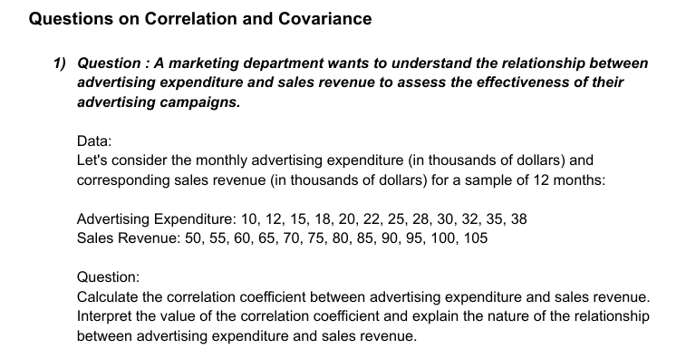

expenditure | revenue
10 | 50 |  |  | expenditure | revenue
12 | 55 |  | expenditure | 1
15 | 60 |  | revenue | 0.99921031004 | 1
18 | 65
strong positive linear relationship between expenditure and sales revenue
20 | 70
22 | 75
25 | 80
28 | 85
30 | 90
32 | 95
35 | 100
38 | 105



company a | company b
45 | 52
47 | 54
48 | 55
50 | 57
52 | 59
53 | 60
55 | 61 |  |  | company a | company b
56 | 62 |  | company a | 96.8
58 | 64 |  | company b | 92.65 | 88.9275
60 | 66
positive covariance between company a and company b
62 | 67
64 | 69
65 | 71
67 | 73
69 | 74
70 | 76
72 | 78
74 | 80
76 | 82
77 | 83

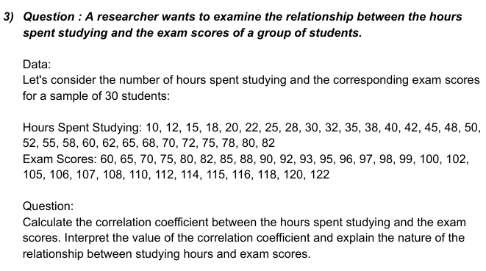

hr spent studying | exam score
10 | 60 |  |  | hr spent studying | exam score
12 | 65 |  | hr spent studying | 1
15 | 70 |  | exam score | 0.97729508302 | 1
18 | 75
strong positive linear relationship between hours spent studying and exam score
20 | 80
22 | 82
25 | 85
28 | 88
30 | 90
32 | 92
35 | 93
38 | 95
40 | 96
42 | 97
45 | 98
48 | 99
50 | 100
52 | 102
55 | 105
58 | 106
60 | 107
62 | 108
65 | 110
68 | 112
70 | 114
72 | 115
75 | 116
78 | 118
80 | 120
82 | 122

